Expansion Joint
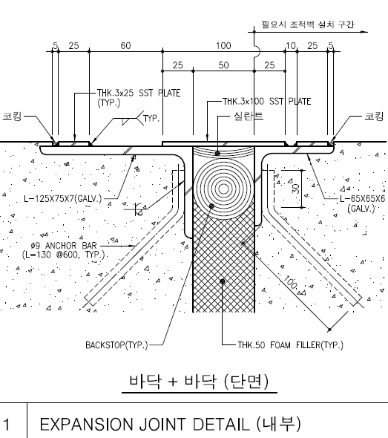
EJ for ext Wall | Total | 87
 | 낮은 지붕쪽 | 48.6
 |  |  | 16.2 | 그리드 7,F
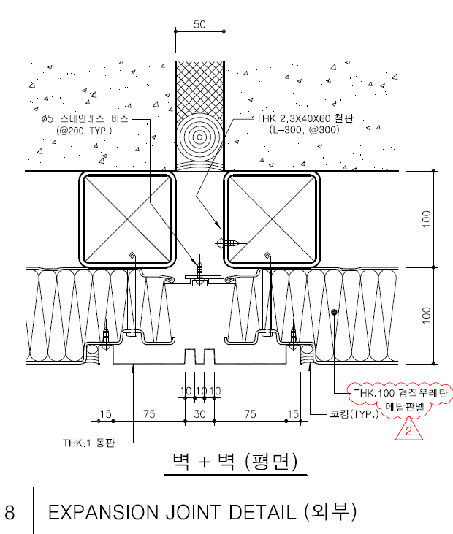
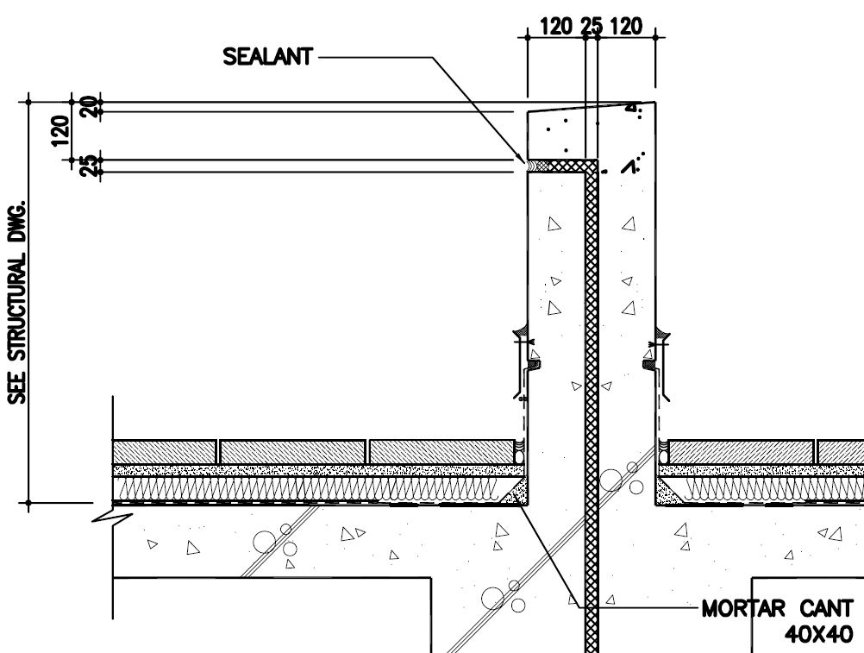
 |  |  | 16.2 | 그리드 7,K
 |  |  | 16.2 | 그리드 15,K

 | 높은 지붕쪽 | 38.4
 |  |  | 19.2 | 그리드 24,F
 |  |  | 19.2 | 그리드 18,A

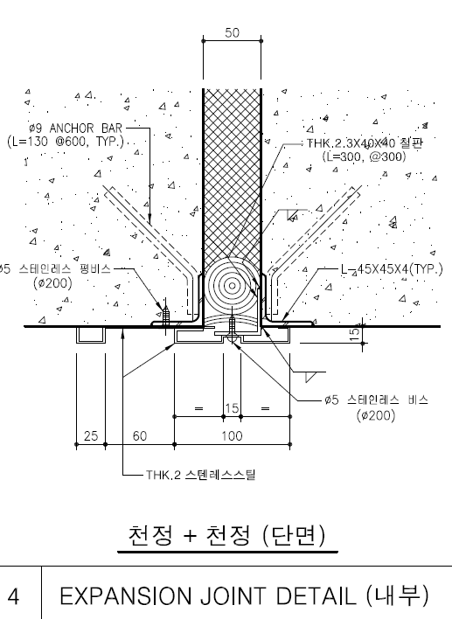

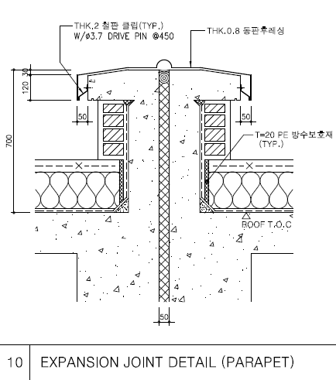
EJ for Parapet | Total | 115
 | 낮은 지붕쪽 | 26
 |  |  | 26 | 그리드 7,G-K

 | 높은 지붕쪽 | 89
 |  |  | 39 | 그리드 18,A-F
 |  |  | 50 | 그리드 15-24,F

EJ for int Wall | Total | 1694 |  |  |  | 7

 | GF | 500.5
 |  |  | 5.5 | 그리드 18,A
 |  |  | 5.5 | 그리드 18,C
 |  |  | 5.5 | 그리드 18,F
 |  |  | 5.5 | 그리드 7,F | 양쪽
 |  |  | 5.5 | 그리드 15,F
 |  |  | 5.5 | 그리드 17,F
 |  |  | 5.5 | 그리드 21,F
 |  |  | 5.5 | 그리드 23,F
 |  |  | 5.5 | 그리드 24,F
 |  |  | 5.5 | 그리드 24,F
 |  |  | 5.5 | 그리드 7,J
 |  |  | 5.5 | 그리드 7,K
 |  |  | 5.5 | 그리드 15,K

 |  |  |  |  | 양쪽

 | 1F | 773.5
 |  |  | 6.5 | 그리드 18,A
 |  |  | 6.5 | 그리드 18,C
 |  |  | 6.5 | 그리드 18,F
 |  |  | 6.5 | 그리드 15,F
 |  |  | 6.5 | 그리드 15,F
 |  |  | 6.5 | 그리드 15,J
 |  |  | 6.5 | 그리드 15,J
 |  |  | 6.5 | 그리드 15,K
 |  |  | 6.5 | 그리드 7,J
 |  |  | 6.5 | 그리드 7,J | 양쪽
 |  |  | 6.5 | 그리드 7,K
 |  |  | 6.5 | 그리드 7,F
 |  |  | 6.5 | 그리드 21,F
 |  |  | 6.5 | 그리드 21,F
 |  |  | 6.5 | 그리드 23,F
 |  |  | 6.5 | 그리드 23,F
 |  |  | 6.5 | 그리드 24,F

 | 2F | 420
 |  |  | 6 | 그리드 18.D
 |  |  | 6 | 그리드 18.Db
 |  |  | 6 | 그리드 18.Db
 |  |  | 6 | 그리드 18,F
 |  |  | 6 | 그리드 18,F
 |  |  | 6 | 그리드 24,F
 |  |  | 3 | 그리드 15,F
 |  |  | 3 | 그리드 15,F
 |  |  | 3 | 그리드 15,J
 |  |  | 3 | 그리드 15,J
 |  |  | 3 | 그리드 15,K
 |  |  | 3 | 그리드 7,J
 |  |  | 3 | 그리드 7,J
 |  |  | 3 | 그리드 7,K

EJ for Ceiling & Wall |  | 2243

EJ for Floor | Total | 549
 | BF | 0

 | GF | 183
 |  |  | 39 | 그리드 18-19
 |  |  | 92 | 그리드 F-G
 |  |  | 26 | 그리드 7-8
 |  |  | 26 | 그리드 15
 | 1F | 183
 |  |  | 39 | 그리드 18-19
 |  |  | 92 | 그리드 F-G
 |  |  | 26 | 그리드 7-8
 |  |  | 26 | 그리드 15

 | 2F | 183
 |  |  | 39 | 그리드 18-19
 |  |  | 92 | 그리드 F-G
 |  |  | 26 | 그리드 7-8
 |  |  | 26 | 그리드 15

EJ for Roof | Total | 183

 | ROOF | 183
 |  |  | 39 | 그리드 18-19
 |  |  | 92 | 그리드 F-G
 |  |  | 26 | 그리드 7-8
 |  |  | 26 | 그리드 15

